Codex Recommendations
Q1) What immediate improvements can we bring to the product?

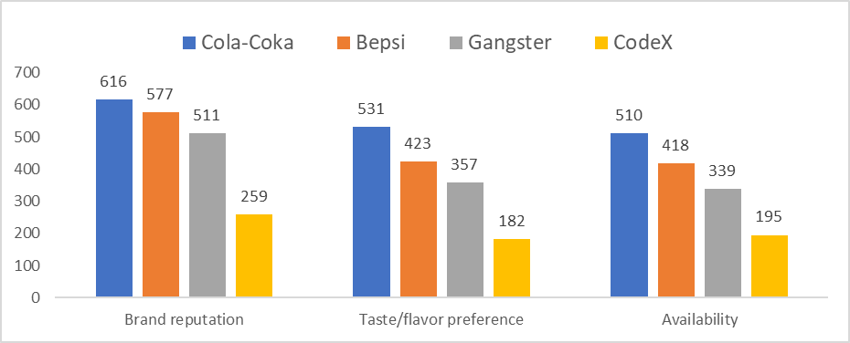

Q2) What should be the ideal price of our product?
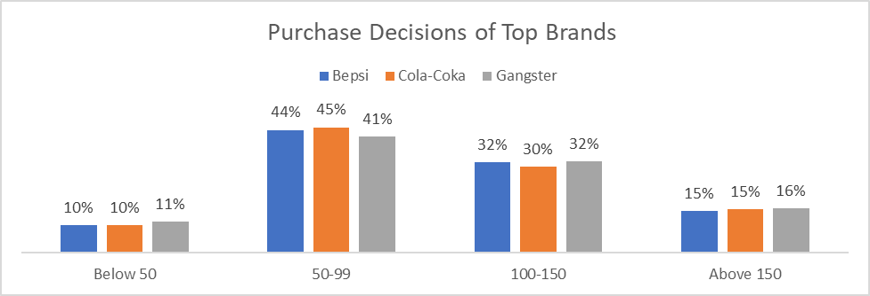
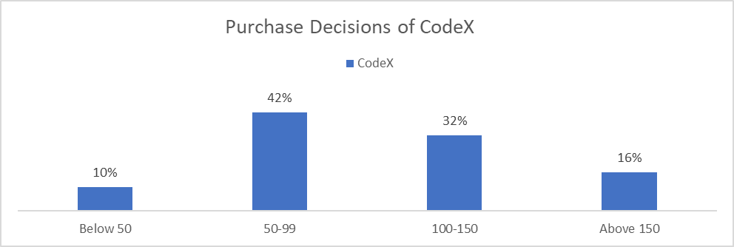

Q3) What kind of marketing campaigns, offers, and discounts we can run?

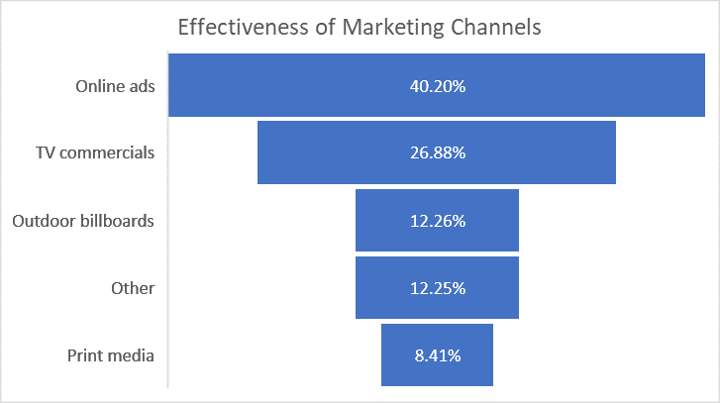

Q4) Who can be a brand ambassador, and why?

Dashboard
DEMOGRAPHIC
Energy Drink Preferred
 | Total
Male | 60.38%
Female | 34.55%
Non-binary | 5.07%
Energy Drink Preferred By Age Group
 | Total
19-30 | 55.20%
31-45 | 23.76%
15-18 | 14.88%
46-65 | 4.26%
65+ | 1.90%
Marketing Channels Preferred By Youth For CodeX
 | Total
Online ads | 3373
Other | 702
Outdoor billboards | 702
Print media | 446
TV commercials | 1785

CONSUMER PREFERENCE
Respondents Preference by Ingredients
 | Total
Caffeine | 37.04%
Guarana | 15.82%
Sugar | 22.35%
Vitamins | 24.80%

COMPETITION ANALYSIS

Current Market Leaders
 | Total
Cola-Coka | 2538
Bepsi | 2112
Gangster | 1854
Blue Bull | 1058
CodeX | 980
Sky 9 | 979
Others | 479
 | Cola-Coka | Bepsi | Gangster | CodeX
Brand reputation | 616 | 577 | 511 | 259
Taste/flavor preference | 531 | 423 | 357 | 182
Availability | 510 | 418 | 339 | 195

MARKETING CHANNELS

BRAND PENETRATION

Cities to Focus More As Per Taste Ratings
 | 1 | 2 | 3 | 4 | 5
Lucknow | 16 | 26 | 52 | 41 | 40
Jaipur | 39 | 58 | 99 | 98 | 66
Delhi | 47 | 69 | 124 | 109 | 80
Ahmedabad | 45 | 65 | 147 | 107 | 92
Kolkata | 54 | 108 | 146 | 137 | 121
Pune | 95 | 133 | 266 | 222 | 190
Chennai | 112 | 146 | 261 | 254 | 164
Mumbai | 164 | 232 | 458 | 340 | 316
Hyderabad | 200 | 268 | 538 | 456 | 371
Bangalore | 282 | 419 | 866 | 715 | 546
KPI

PURCHASE BEHAVIOR
Purchase Decisions
 | Total
Below 50 | 10%
50-99 | 43%
100-150 | 31%
Above 150 | 16%
Purchase Location
 | Total
Supermarkets | 44.94%
Online retailers | 25.50%
Gyms and fitness centers | 14.64%
Local stores | 8.13%
Other | 6.79%
Consumption Situation
 | Total
Driving/commuting | 2.97%
Other | 4.91%
Social outings/parties | 14.87%
Sports/exercise | 44.94%
Studying/working late | 32.31%

 | CodeX | Cola-Coka
Availability | 8.50% | 22.24%
Brand reputation | 11.30% | 26.86%
Taste/flavor preference | 7.94% | 23.16%

PRODUCT DEVELOPMENT
Consume_frequency | (All)
Tried_before | (All)
Consume_time | (All)
Consume_reason | (All)
 | CodeX - 100-150 | CodeX - 50-99 | CodeX - Above 150 | CodeX - Below 50
Lucknow | 1 | 4
Jaipur | 7 | 11 | 6 | 4
Ahmedabad | 11 | 16 | 10 | 8
Kolkata | 15 | 28 | 3 | 2
Delhi | 22 | 10 | 4 | 4
Chennai | 30 | 38 | 13 | 11
Pune | 34 | 35 | 12 | 11
Mumbai | 49 | 66 | 28 | 13
Hyderabad | 51 | 85 | 29 | 17
Bangalore | 93 | 117 | 54 | 28
Brand_perception | (All)
General_perception | (All)
Prevent_reasons | (All)
Heard_before | (All)
Health_concerns | (All)
Interest_in_natural_or_organic | (All)
Packaging_preference | (All)
Limited_edition_packaging | (All)
Improvements_desired | (All)
Typical_consumption_situations | (All)

Count of Marketing_channels | Column Labels
 | CodeX |  |  |  | CodeX Total
Row Labels | 100-150 | 50-99 | Above 150 | Below 50
Lucknow | 1 | 4 |  |  | 5
Jaipur | 7 | 11 | 6 | 4 | 28
Ahmedabad | 11 | 16 | 10 | 8 | 45
Kolkata | 15 | 28 | 3 | 2 | 48
Delhi | 22 | 10 | 4 | 4 | 40
Chennai | 30 | 38 | 13 | 11 | 92
Pune | 34 | 35 | 12 | 11 | 92
Mumbai | 49 | 66 | 28 | 13 | 156
Hyderabad | 51 | 85 | 29 | 17 | 182
Bangalore | 93 | 117 | 54 | 28 | 292
Grand Total | 313 | 410 | 159 | 98 | 980

Competition Analysis
Brands | Count of Current_brands
Cola-Coka | 2538
Bepsi | 2112 | Count of Reasons_for_choosing_brands | Column Labels
Gangster | 1854 | Row Labels | Cola-Coka | Bepsi | Gangster | CodeX
Blue Bull | 1058 | Brand reputation | 616 | 577 | 511 | 259
CodeX | 980 | Taste/flavor preference | 531 | 423 | 357 | 182
Sky 9 | 979 | Availability | 510 | 418 | 339 | 195
Others | 479
Grand Total | 10000
Current Market Leaders

Consumer Preference
 |  | Current_brands | CodeX
Current_brands | CodeX
 |  | Packaging | Respondents Preference | Packaging | Respondents Preference
Ingredients | Respondents Preference | Compact and portable cans | 42.04% | Compact and portable cans | 0.13265306122
Caffeine | 37.04% | Innovative bottle design | 29.08% | Innovative bottle design | 0.42040816327
Guarana | 15.82% | Collectible packaging | 13.27% | Collectible packaging | 0.10714285714
Sugar | 22.35% | Eco-friendly design | 10.71% | Eco-friendly design | 0.29081632653
Vitamins | 24.80% | Other | 4.90% | Other | 0.048979591837
 |  | Grand Total | 100.00%
Respondents Preference by Ingredients

Demographic
 |  |  |  | Age | (Multiple Items)
Gender | Energy Drink Preferred | Age | Energy Drink Preferred By Age Group
Male | 60.38% | 19-30 | 55.20% | Marketing channels | Marketing Channels Preferred By Youth
Female | 34.55% | 31-45 | 23.76% | Online ads | 3373
Non-binary | 5.07% | 15-18 | 14.88% | Other | 702
 |  | 46-65 | 4.26% | Outdoor billboards | 702
 |  | 65+ | 1.90% | Print media | 446
Energy Drink Preferred by Gender
Energy Drink Preferred By Age Group
 |  |  |  | TV commercials | 1785

Marketing Reaches The Most Youth

Product Development
Count of Name | Column Labels
Row Labels | CodeX | Cola-Coka
Availability | 8.50% | 22.24%
Brand reputation | 11.30% | 26.86%
Taste/flavor preference | 7.94% | 23.16%

Brand Penetration
Taste Experience | Percentage | Respondents | Column Labels
3 | 29.57% | Cities | 1 | 2 | 3 | 4 | 5 | Grand Total
4 | 24.79% | Lucknow | 16 | 26 | 52 | 41 | 40 | 175
5 | 19.86% | Jaipur | 39 | 58 | 99 | 98 | 66 | 360
2 | 15.24% | Delhi | 47 | 69 | 124 | 109 | 80 | 429
1 | 10.54% | Ahmedabad | 45 | 65 | 147 | 107 | 92 | 456
Grand Total | 100.00% | Kolkata | 54 | 108 | 146 | 137 | 121 | 566
 |  | Pune | 95 | 133 | 266 | 222 | 190 | 906
KPI Indicator |  | Chennai | 112 | 146 | 261 | 254 | 164 | 937
 |  | Mumbai | 164 | 232 | 458 | 340 | 316 | 1510
 |  | Hyderabad | 200 | 268 | 538 | 456 | 371 | 1833
 |  | Bangalore | 282 | 419 | 866 | 715 | 546 | 2828
 |  | Grand Total | 1054 | 1524 | 2957 | 2479 | 1986 | 10000

Cities to Focus More

Purchase Behavior
 |  |  |  | Current_brands | (All)
Purchase Location | Respondents
Supermarkets | 44.94% | Consumption Situation | Respondents | Price Range | Respondents
Online retailers | 25.50% | Driving/commuting | 2.97% | Below 50 | 10%
Gyms and fitness centers | 14.64% | Other | 4.91% | 50-99 | 43%
Local stores | 8.13% | Social outings/parties | 14.87% | 100-150 | 31%
Other | 6.79% | Sports/exercise | 44.94% | Above 150 | 16%
Grand Total | 100.00% | Studying/working late | 32.31% | Grand Total | 100.00%
 |  | Grand Total | 100.00%

Purchase Location
Consumption Situation
Purchase Decisions as Per Price Range

